PFC-detailed
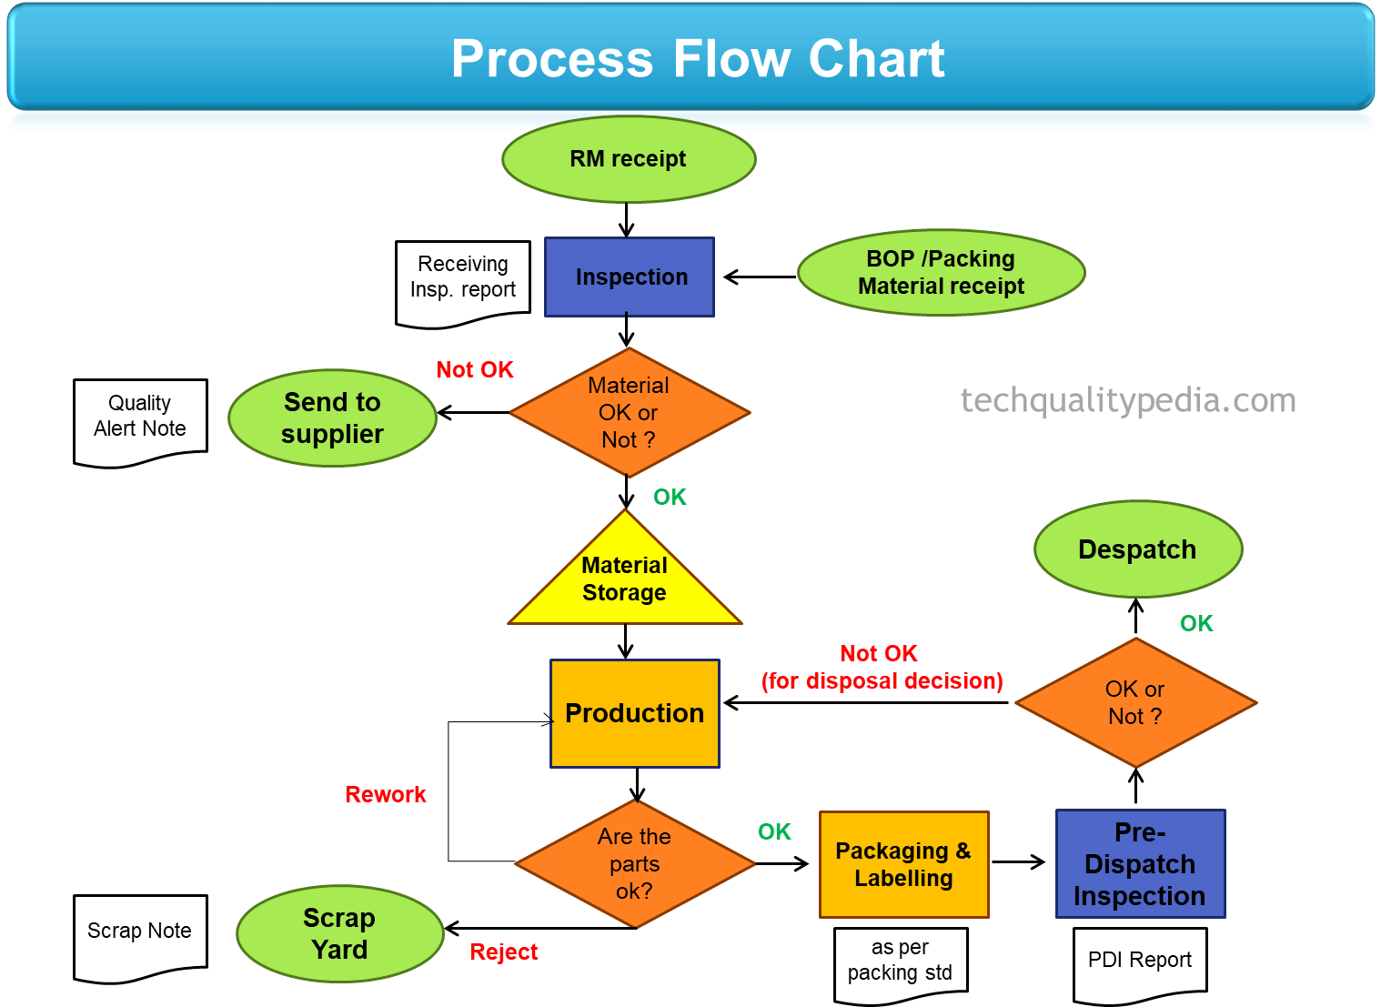
Step number | Step Description
1 | Receive raw material and do basic inspection.
2 | Send material back to supplier if inspection fails.
3 | Store the received material in designated location.
4 | Start production process.
5 | Check if parts produced are OK.
6 | Rework parts if they are not OK.
7 | Move OK parts to packaging and labelling.
8 | Do a pre-dispatch inspection.
9 | Send the parts for packaging.
10 | Dispatch the material.

Project-Workflow-Chart
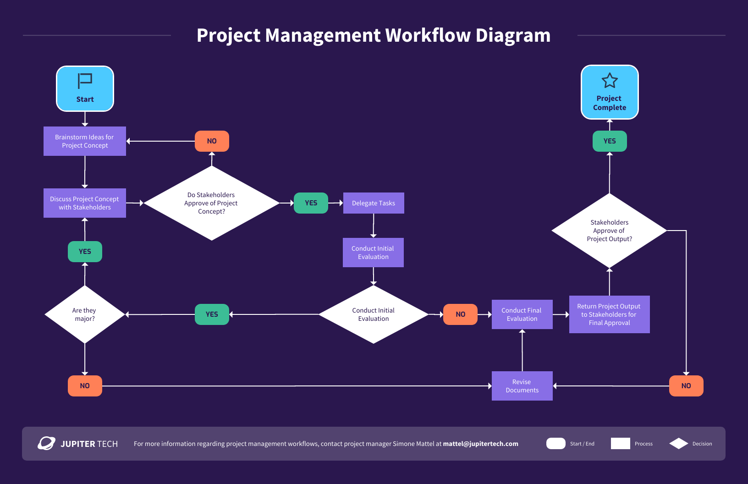
Step number | Step Description
1 | Brainstorm ideas for project concept.
2 | Discuss project concept with stakeholders.
3 | Do stakeholders approve of project concept?
4 | Delegate tasks.
5 | Conduct initial evaluation.
6 | Are there any major issues?
7 | Revise documents.
8 | Conduct final evaluation.
9 | Return project output to stakeholders for final approval.
10 | Project complete.

sample-workflow-diagram
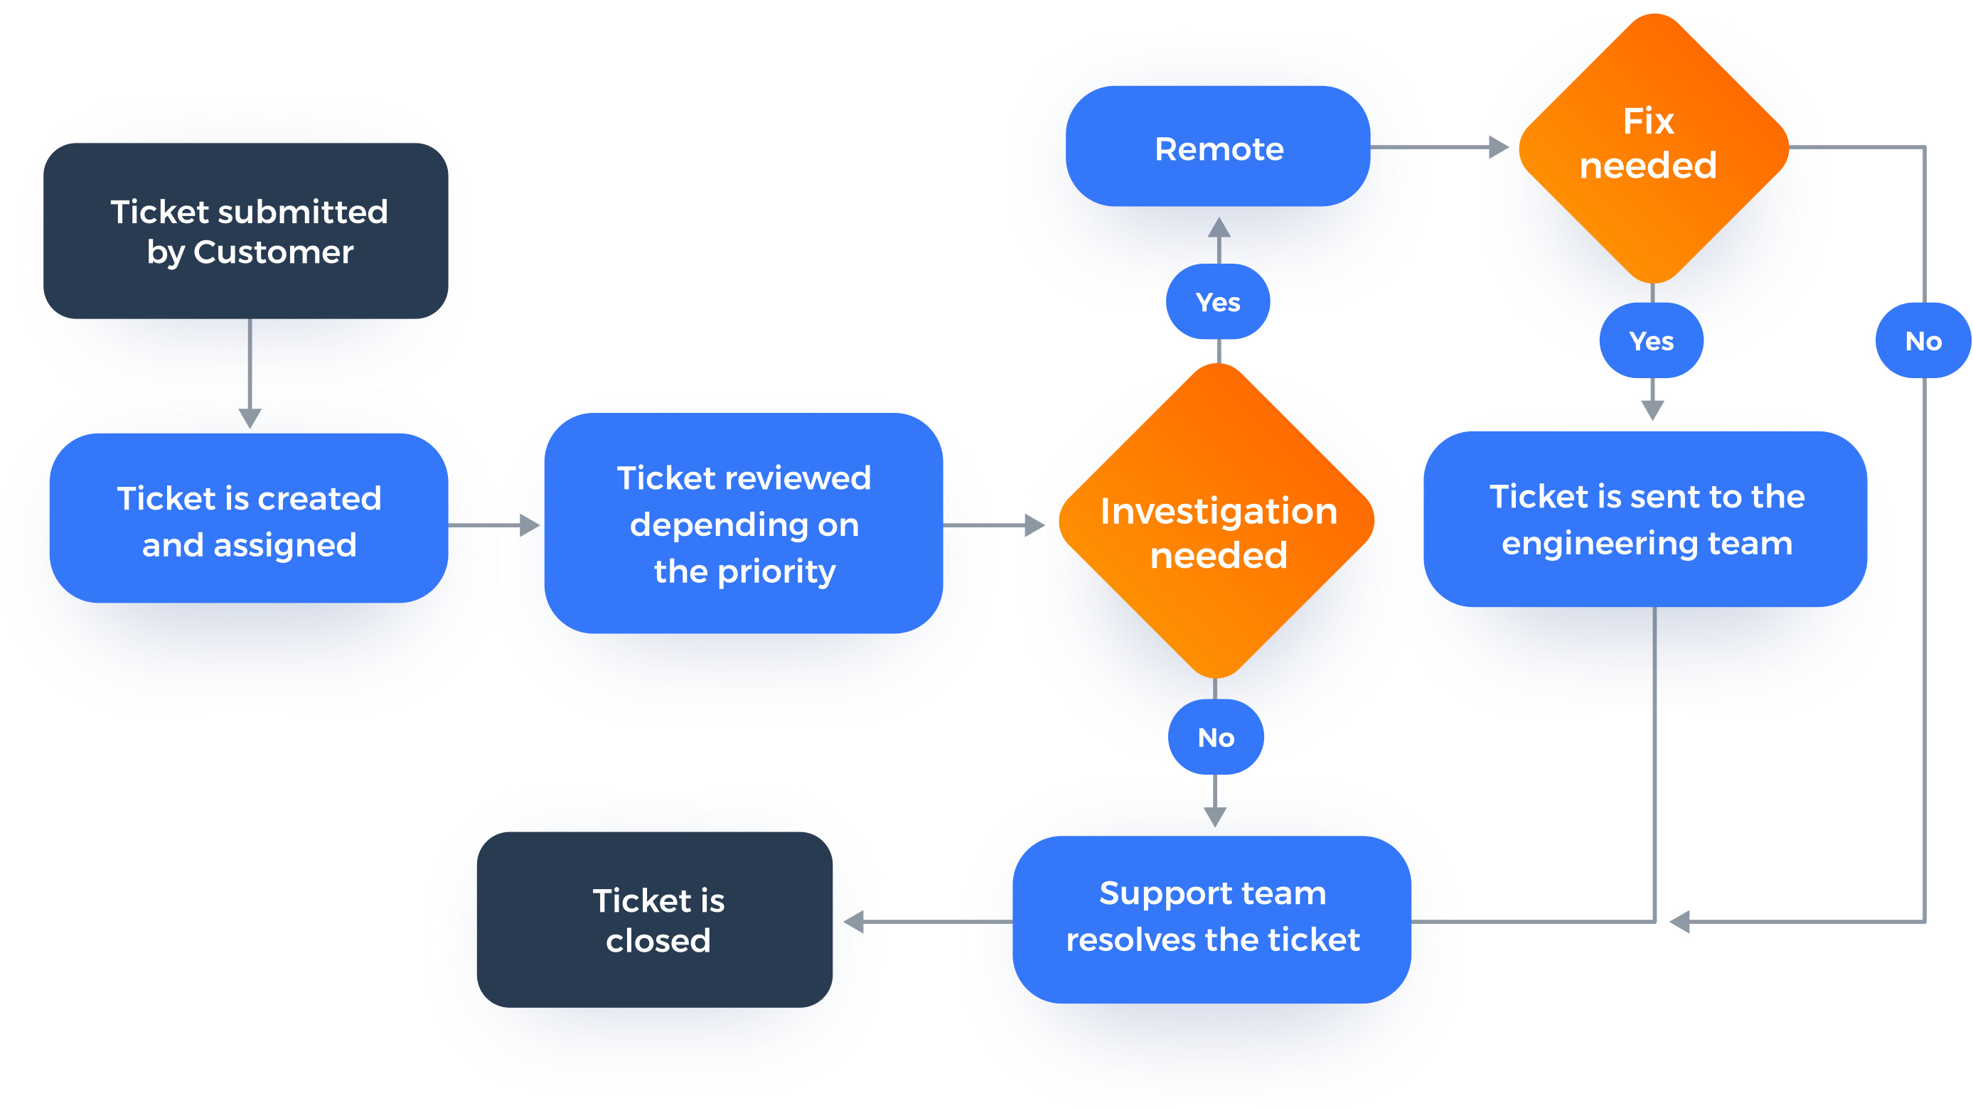
Step number | Step Description
1 | A customer submits a ticket.
2 | The ticket is created and assigned to a support team member.
3 | The support team member reviews the ticket and determines if it can be resolved remotely.
4 | If the ticket can be resolved remotely, the support team member resolves the ticket.
5 | If the ticket cannot be resolved remotely, the support team member sends the ticket to the engineering team.
6 | The engineering team investigates the issue and fixes it.
7 | The support team member closes the ticket.

